Platform-FIBI
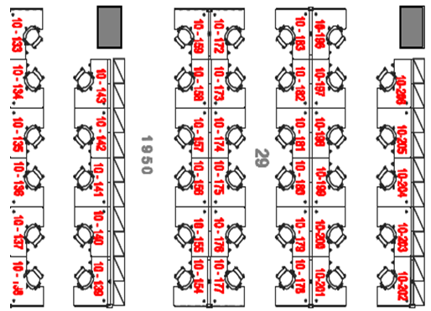
Seat Number | OID | Employee Name |  |  | API |  | QA |  | AEM |  | CC |  | LT
10F 133 | 146890 | K Mohan Krishna
10F 134 | 144722 | Tanuja Priyadarshini |  | 84995 | Phani Rajesh Kuricheti | 146890 | K Mohan Krishna | 145073 | Surbhi Pachaury | 136153 | Dinesh Voonna | 140353 | Neetendra Jain
10F 135 | 133264 | Pranali Gavas |  | 79251 | Rashmi Ranjan Das | 144722 | Tanuja Priyadarshini | 138206 | Aparajita Kar | 118573 | Sreedeep Peringeth | 139104 | Srikantha Ramachandra
10F 136 | 116932 | Arpitha Koppole |  | 134866 | Priyanka Ramu | 133264 | Pranali Gavas | 93840 | Sekhara Reddy Sareddy | 136080 | Kruthi Nadig | 140892 | Abhinav Gupta
10F 137 | 107403 | Basavaraj Palarimath |  | 132773 | Aslam Nalupurakkal | 116932 | Arpitha Koppole | 75645 | Deepti Chaurasia | 147149 | Nayan More | 110086 | Yatish Kumaraswamy
10F 138 | 68504 | Nithin Kumar Patil |  | 121483 | Mahammad Rafi | 107403 | Basavaraj Palarimath | 137726 | Madabhushi Satya Thejaswini | 139398 | Satya tiwari | 76869 | Nitin Rai
10F 139 | 147655 | Ketan Deshpande |  | 109630 | Dharmalingam Pitchaimuthu | 68504 | Nithin Kumar Patil | 136390 | Rupendra Kumar Kunda | TBD | CAN US CC Developer 1 | 134521 | Niren Pai
10F 140 | TBD | DXP Platform QA 1 |  | 116898 | Sujay Tummala Govindarajulu | 147655 | Ketan Deshpande | TBD | DXP Platform AEM Developer Backfill 1 | TBD | DXP Platform CC Developer Backfill 1
10F 141 | TBD | DXP Platform QA 2 |  | 133569 | Swaypreet Kaur | TBD | DXP Platform QA 1 | TBD | DXP Platform AEM Developer Backfill 2 | TBD | DXP Platform CC Developer Backfill 2
10F 142 | TBD | FIBI eLaborate QA 1 |  | 109830 | Shashi Kumar | TBD | DXP Platform QA 2 |  |  | 133570 | Hemant Shukla
10F 143 | 84995 | Phani Rajesh Kuricheti |  | 110444 | Govind Ishwardayal Thakur | TBD | FIBI eLaborate QA 1 |  |  | 132981 | Harsh Sharma 2
10F 154 | 79251 | Rashmi Ranjan Das |  | 140170 | Nagendra Kumar Singh |  |  |  |  | TBD | FIBI eLaborate CC Developer 1
10F 155 | 134866 | Priyanka Ramu |  | 124583 | Osim Ahemmed
10F 156 | 132773 | Aslam Nalupurakkal |  | 83052 | Ganesan Sankaran
10F 157 | 121483 | Mahammad Rafi |  | 122394 | Prathibha Mohanraj
10F 158 | 109630 | Dharmalingam Pitchaimuthu |  | TBD | FIBI eLaborate API Developer 1
10F 159 | 116898 | Sujay Tummala Govindarajulu |  | TBD | CAN US API Developer 1
10F 172 | 133569 | Swaypreet Kaur
10F 173 | 109830 | Shashi Kumar
10F 174 | 110444 | Govind Ishwardayal Thakur
10F 175 | 140170 | Nagendra Kumar Singh
10F 176 | 124583 | Osim Ahemmed
10F 177 | 83052 | Ganesan Sankaran
10F 178 | 122394 | Prathibha Mohanraj
10F 179 | TBD | FIBI eLaborate API Developer 1
10F 180 | TBD | CAN US API Developer 1
10F 181 | TBD | Commerce API Developer Buffer 1 | (Investment)
10F 182 | 136153 | Dinesh Voonna
10F 183 | 136080 | Kruthi Nadig
10F 196 | 147149 | Nayan More
10F 197 | 139398 | Satya tiwari
10F 198 | TBD | CAN US CC Developer 1 | (Investment)
10F 199 | TBD | DXP Platform CC Developer Backfill 1 | (Investment)
10F 200 | TBD | DXP Platform CC Developer Backfill 2 | (Investment)
10F 201 | 133570 | Hemant Shukla
10F 202 | 132981 | Harsh Sharma 2
10F 203 | TBD | FIBI eLaborate CC Developer 1
10F 204 | 118573 | Sreedeep Peringeth
10F 205 | TBD | Commerce AEM Developer Buffer 1 | (Investment)
10F 206 | 140892 | Abhinav Gupta
10F 224 | 82645 | Sudhir Padavu Shenoy
10F 225 | 110086 | Yatish Kumaraswamy
10F 226 | 140353 | Neetendra Jain
10F 232 | 139104 | Srikantha Ramachandra
10F 233 | 76869 | Nitin Rai
10F 234 | 134521 | Niren Pai
10F 235 | 75645 | Deepti Chaurasia
10F 236 | 137726 | Madabhushi Satya Thejaswini
10F 237 | 145073 | Surbhi Pachaury
10F 238 | 138206 | Aparajita Kar
10F 239 | 93840 | Sekhara Reddy Sareddy
10F 244 | 136390 | Rupendra Kumar Kunda

DSC
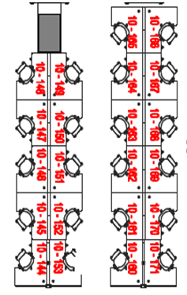
Seat Number | OID | Employee Name
10F 144 |  | Vineet
10F 145 | 138007 | Nishant Kumar Mourya
10F 146 | 137333 | Bilsy Mathew
10F 147 | 146649 | Nandan Kumar
10F 148 | 125951 | Preeti Yadav/ Aniruddh Upparna
10F 149 | 128967 | Pranik Garg
10F 150 | 96302 | Atendra
10F 151 | 104809 | Ritu Tanwar
10F 152 | 55903 | Gayathri B S
10F 153 | 144117 | Kola Bala Sasidhar
10F 160 | 126012 | Tanmay/Gana Gopal
10F 161 | 73717 | Bindu Cherakuzhil
10F 162 | 137869 | Shivam Shivhare
10F 163 | 133396 | Ekta Tandon
10F 164 | 135537 | Sudhakar Malle
10F 165 | 55259 | Brijesh Lakshmanan
10F 166 | 90436 | Ravi Ranjan 2
10F 167 | 119350 | Arnab Dutta
10F 168 | 135036 | Dhananjay Kumar 2
10F 169 | 126687 | Ashutosh Kumar 5
10F 170 |  | Soumya Manne
10F 171 | 133606 | Vijaya

DIP
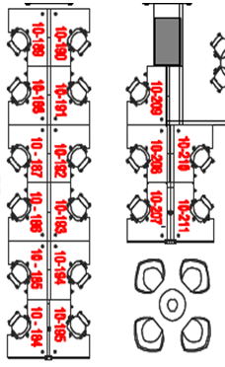
Seat Number | OID | Employee Name
10F 184 | 141793 | Krishnan Ajay
10F 185 | 143430 | Mahaveer Parshad
10F 186 | 142244 | Khaleel Ul Tanzeel
10F 187 | 146109 | Kapil lanjewar
10F 188 | 119246 | Sai Pati
10F 189 | 42914 | Kiran Kumar Nagarajachar
10F 190 | 142252 | Pratik Kumar
10F 191 | 145442 | Reshma Rajan
10F 192 | 140784 | Vinoth Kumar
10F 193 | 127701 | Nitin
10F 194 | 130877 | Rajesh Manivannan
10F 195 | 116825 | Vikas Kumar Agrawal
10F 207 | 54803 | Nihil Shrenikbhai Somani
10F 208
10F 209

MarketLink
Seat Number | OID | Employee Name
10F 227 | 135551 | Hariharan Ganeshraja
10F 228 | 140026 | Varun Sharma
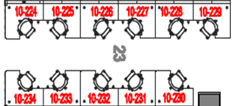
10F 229 | 122085 | Abhiram Govindaraj
10F 230 | 54938 | Neeraja Peddapothula
10F 231 | 140589 | Srikanth Krishnamurthy

CargillAg
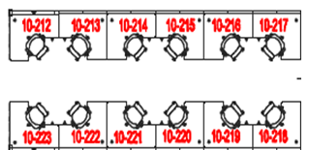
Seat Number | OID | Employee Name
10F 212 |  | Surendranath Ch
10F 213 |  | Dora Babu unapalli
10F 214 | 3997295 | Senior Developer - Java
10F 215 | 3997296 | Senior Developer - Java
10F 216 | 146907 | Bipin Chandra
10F 217 | 3997300 | Test Analyst
10F 218 | 3997301 | Test Analyst
10F 219 | 3997302 | Senior Developer - Adobe EM
10F 220 | 3997303 | Lead Business Analyst- OMS
10F 221 | 3997305 | Mohammadi Mateen
10F 222 | 3997307 | Mahesh Garg
10F 223

